Ideal and Zukoski
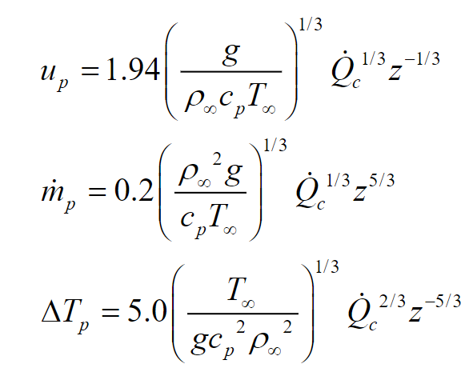
 |  | Ideal Plume |  |  |  | Zukoski’s
 |  | z | Ideal plume velocity | Ideal Plume Mass Flow Rate | Ideal Temperature | Zukoski’s mass flow rate
 |  | 0.1 | 6.3876076173 | 0.0079021949904 | 16189.804993 | 0.0079564443642 | 0.0082973047399
gravity | 9.81 | 0.2 | 5.0698475256 | 0.025087905281 | 5099.4690261 | 0.025260136307 | 0.026342300545
rho-amb | 1.2 | 0.3 | 4.4289197576 | 0.049311683899 | 2594.4154772 | 0.049650213633 | 0.051777268093
cp | 1.1 | 0.4 | 4.0239406477 | 0.07964913447 | 1606.2320923 | 0.080195933894 | 0.083631591194
T-amb | 293 | 0.5 | 3.7354955955 | 0.11553079161 | 1107.3670848 | 0.11632392227 | 0.12130733119
HRR-conv | 140.7284955 | 0.6 | 3.5152359411 | 0.15655483779 | 817.18966797 | 0.1576296027 | 0.16438257968
conv-frac | 0.7 | 0.7 | 3.3391727182 | 0.20241583075 | 632.0404656 | 0.20380543605 | 0.21253662229
HRR | 201.04070786 | 0.8 | 3.1938038086 | 0.25287023969 | 505.93140603 | 0.25460621965 | 0.26551375168
 |  | 0.9 | 3.0708414471 | 0.30771730789 | 415.75495635 | 0.30982981857 | 0.32310317329
 |  | 1 | 2.964864819 | 0.36678740029 | 348.79877502 | 0.36930543316 | 0.3851267703
 |  | 1.1 | 2.8721514389 | 0.42993442158 | 297.56862789 | 0.43288596519 | 0.45143114266
 |  | 1.2 | 2.7900446154 | 0.4970306284 | 257.39861611 | 0.5004427943 | 0.52188215982
 |  | 1.3 | 2.7165880088 | 0.56796293627 | 225.25236726 | 0.57186205969 | 0.59636108308
 |  | 1.4 | 2.6503031428 | 0.64263020534 | 199.08027175 | 0.64704192718 | 0.67476171561
 |  | 1.5 | 2.5900479864 | 0.7209411921 | 177.45552247 | 0.72589052684 | 0.75698825171
 |  | 1.6 | 2.5349237628 | 0.802812969 | 159.35840707 | 0.80832436183 | 0.84295361745
 |  | 1.7 | 2.4842116245 | 0.88816968181 | 144.04341708 | 0.89426705718 | 0.93257816591
 |  | 1.8 | 2.4373284718 | 0.97694155652 | 130.95460528 | 0.98364835985 | 1.0257886343
 |  | 1.9 | 2.3937954094 | 1.0690640942 | 119.67008957 | 1.0764033281 | 1.1225172989
 |  | 2 | 2.3532147663 | 1.1644774101 | 109.86472971 | 1.1724716662 | 1.2227012806
 |  | 2.1 | 2.3152530511 | 1.2631256852 | 101.28445444 | 1.2717971718 | 1.3262819695
 |  | 2.2 | 2.2796281078 | 1.3649567062 | 93.728244517 | 1.374327273 | 1.4332045415
 |  | 2.3 | 2.2460992946 | 1.4699214765 | 87.035258658 | 1.4800126372 | 1.5434175503
 |  | 2.4 | 2.2144598788 | 1.5779738848 | 81.075483662 | 1.5888068363 | 1.656872579
 |  | 2.5 | 2.1845310765 | 1.6890704199 | 75.742843165 | 1.7006660605 | 1.7735239409
 |  | 2.6 | 2.1561573314 | 1.803169925 | 70.950049764 | 1.8155488703 | 1.8933284213
 |  | 2.7 | 2.1292025391 | 1.9202333827 | 66.624711906 | 1.9334159805 | 2.0162450518
 |  | 2.8 | 2.1035469984 | 2.040223728 | 62.706356248 | 2.0542300717 | 2.1422349144
 |  | 2.9 | 2.0790849316 | 2.1631056834 | 59.144126379 | 2.1779556244 | 2.2712609676
 |  | 3 | 2.0557224492 | 2.2888456135 | 55.894987044 | 2.3045587719 | 2.4032878942

Heskestad Plume
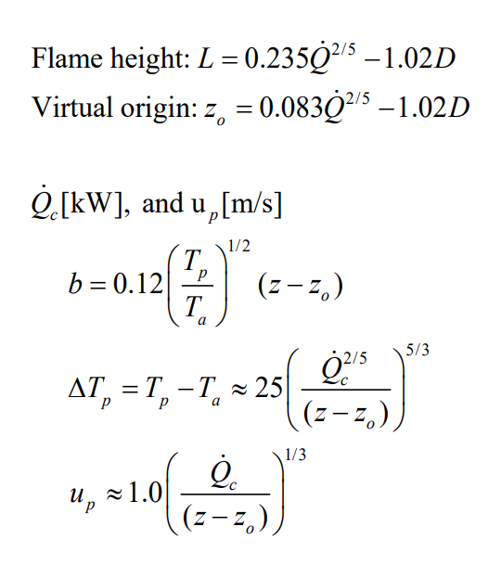
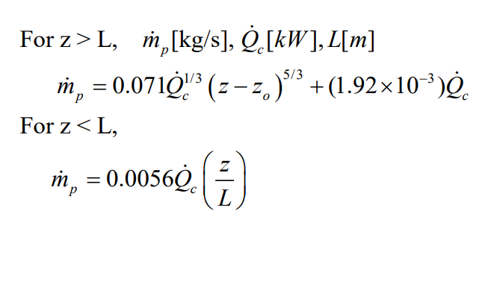
 |  |  |  | z | velocity | mass flow rate | temperature
 |  | L | 1.5525659878 | 0.1 | Not appliable
 |  | z_o | 0.28445522123 | 0.2
 |  |  |  | 0.3 | 20.841669259 | 0.15227943566 | 698586.9403
gravity | 9.81 |  |  | 0.4 | 10.679327533 | 0.20303924754 | 24676.155378
rho-amb | 1.2 |  |  | 0.5 | 8.6752402826 | 0.25379905943 | 8729.0207621
cp | 1.1 |  |  | 0.6 | 7.640240252 | 0.30455887131 | 4624.8009027
T-amb | 293 |  |  | 0.7 | 6.9703524485 | 0.3553186832 | 2923.0191148
HRR-conv | 140.7284955 |  |  | 0.8 | 6.4869201286 | 0.40607849508 | 2040.5663333
conv-frac | 0.7 |  |  | 0.9 | 6.1146855891 | 0.45683830697 | 1518.5483308
HRR | 201.04070786 |  |  | 1 | 5.8154287954 | 0.50759811886 | 1181.589646
Diameter | 0.4 |  |  | 1.1 | 5.5673015383 | 0.55835793074 | 950.12705694
 |  |  |  | 1.2 | 5.3567430913 | 0.60911774263 | 783.54159216
 |  |  |  | 1.3 | 5.1748089709 | 0.65987755451 | 659.21878694
 |  |  |  | 1.4 | 5.015316506 | 0.7106373664 | 563.70215105
 |  |  |  | 1.5 | 4.8738298204 | 0.76139717828 | 488.55084431
 |  |  |  | 1.6 | 4.7470681853 | 0.96930233972 | 428.23810941
 |  |  |  | 1.7 | 4.6325431953 | 1.0450583057 | 379.01408663
 |  |  |  | 1.8 | 4.5283267573 | 1.12446951 | 338.2569672
 |  |  |  | 1.9 | 4.4328974199 | 1.2074536376 | 304.08596211
 |  |  |  | 2 | 4.3450354969 | 1.2939353255 | 275.1215489
 |  |  |  | 2.1 | 4.2637496159 | 1.3838451953 | 250.33203532
 |  |  |  | 2.2 | 4.1882241049 | 1.4771190681 | 228.93253851
 |  |  |  | 2.3 | 4.1177805493 | 1.5736973181 | 210.31679414
 |  |  |  | 2.4 | 4.0518492052 | 1.6735243357 | 194.01009785
 |  |  |  | 2.5 | 3.9899474049 | 1.7765480769 | 179.63618301
 |  |  |  | 2.6 | 3.9316630132 | 1.8827196808 | 166.8934908
 |  |  |  | 2.7 | 3.8766415896 | 1.9919931444 | 155.53789508
 |  |  |  | 2.8 | 3.824576311 | 2.1043250417 | 145.36994215
 |  |  |  | 2.9 | 3.7751999771 | 2.2196742813 | 136.22529982
 |  |  |  | 3 | 3.7282786056 | 2.3380018956 | 127.96752119

McCaffrey’s plume
 |  |  |  | z | z/Q^2/5) | velocity | temperature
gravity | 9.81 |  |  | 0.1 | 0.011986334633 | 2.1503488089 | 358.40138118 | 852.51381181
rho-amb | 1.2 |  |  | 0.2 | 0.023972669266 | 3.0410524494 | 443.65276236 | 852.51381181
cp | 1.1 |  |  | 0.3 | 0.035959003899 | 3.724513391 | 528.90414354 | 852.51381181
T-amb | 293 |  |  | 0.4 | 0.047945338532 | 4.3006976178 | 614.15552472 | 852.51381181
HRR-conv | 140.7284955 |  |  | 0.5 | 0.059931673165 | 4.8083261121 | 699.4069059 | 852.51381181
conv-frac | 0.7 |  |  | 0.6 | 0.071918007798 | 5.2672573508 | 784.65828708 | 852.51381181
HRR | 201.04070786 |  |  | 0.7 | 0.083904342431 | 5.4879532347 | 661.83917192 | 793.24320799
Diameter | 0.4 |  |  | 0.8 | 0.095890677064 | 5.4879532347 | 717.36619647 | 694.08780699
 |  |  |  | 0.9 | 0.1078770117 | 5.4879532347 | 772.89322103 | 616.96693955
 |  |  |  | 1 | 0.11986334633 | 5.4879532347 | 828.42024559 | 555.27024559
Region | z/Q^(2/5) | eta | kappa | 1.1 | 0.13184968096 | 5.4879532347 | 883.94727015 | 504.79113236
Continuous | <0.08 | 0.50 | 6.8 | 1.2 | 0.1438360156 | 5.4879532347 | 939.47429471 | 462.72520466
Intermnittent | 0.08< <0.2 | 0 | 1.9 | 1.3 | 0.15582235023 | 5.4879532347 | 995.00131927 | 427.13095815
Plume | >0.2 | -0.33333333333 | 1.1 | 1.4 | 0.16780868486 | 5.4879532347 | 1050.5283438 | 396.621604
 |  |  |  | 1.5 | 0.17979501949 | 5.4879532347 | 1106.0553684 | 370.18016373
 |  |  |  | 1.6 | 0.19178135413 | 5.4879532347 | 1161.5823929 | 347.0439035
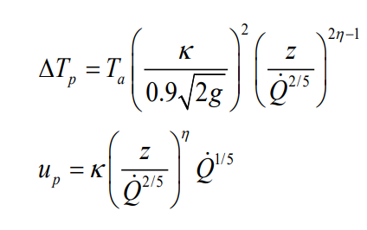
 |  |  |  | 1.7 | 0.20376768876 | 5.3993031603 | 1574.6391741 | 316.16231502
 |  |  |  | 1.8 | 0.21575402339 | 5.2974050966 | 1651.1973608 | 287.43355308
 |  |  |  | 1.9 | 0.22774035803 | 5.2027882778 | 1727.7555475 | 262.6650584
 |  |  |  | 2 | 0.23972669266 | 5.1145883867 | 1804.3137342 | 241.14317744
 |  |  |  | 2.1 | 0.25171302729 | 5.0320805977 | 1880.8719209 | 222.31024673
 |  |  |  | 2.2 | 0.26369936192 | 4.9546516591 | 1957.4301076 | 205.72504715
 |  |  |  | 2.3 | 0.27568569656 | 4.881778549 | 2033.9882943 | 191.03454656
 |  |  |  | 2.4 | 0.28767203119 | 4.8130119448 | 2110.546481 | 177.95337771
 |  |  |  | 2.5 | 0.29965836582 | 4.7479632689 | 2187.1046677 | 166.24871256
 |  |  |  | 2.6 | 0.31164470046 | 4.6862944281 | 2263.6628544 | 155.72896311
 |  |  |  | 2.7 | 0.32363103509 | 4.6277096062 | 2340.2210412 | 146.23523644
 |  |  |  | 2.8 | 0.33561736972 | 4.5719486395 | 2416.7792279 | 137.63479901
 |  |  |  | 2.9 | 0.34760370436 | 4.5187816251 | 2493.3374146 | 129.81602558
 |  |  |  | 3 | 0.35959003899 | 4.4680044998 | 2569.8956013 | 122.68445765

